Sheet1
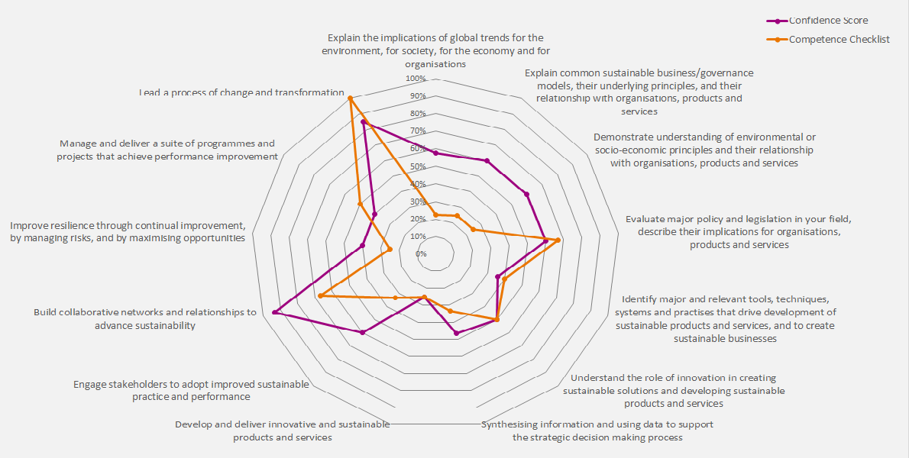
Overview

This tool has been put together to help you prepare and plan for your IEMA Full Member Upgrade application. This note gives a brief overview on how to use it. The first two columns capture the Full Member competencies and criteria. The other 5 give you the opportunity to (1) identify your strengths and weaknesses across the competencies, (2) to capture ideas and examples that you'll want to use in your application, and (3) make sure you've covered the competences off before you submit your application. Much of the success in your applications comes down to confidence; confidence in yourself, your knowledge and your achievements. This is what the Confidence column is for: from a score of 1 to 5, rate yourself against the criteria. Once complete, a score is created using a special algorithm. This is then automagically translated across on to the radar diagram to give you an overview of how you see yourself across the IEMA Full Member Competencies. In the example given, you can see how the blue varies across the competences to give you an indication - if this was you - on the areas you might need to brush up on ahead of your assessment. Here, you'd be able to see your strength in communications skills, a good covering across many of the other competencies, and that you might need to do a little more in the area of identifying and analysing problems and opportunities. The examples column is your opportunities to capture you ideas and examples of work or achievements that highlight your competence. In the example, we can see the candidate has identified some work on Local Nature Reserves that highlight the first two criteria. You can see a couple of other examples that link to the criteria. Once complete across the tool, there will probably be 3 or 4 projects can keep coming up. These are your top projects and examples to use in your application. The final column - 'done' - is your application aide memoir. This can work in two ways: firstly by ensuring you've touched on

Radar
 | Confidence Score | Competence Checklist
Explain the implications of global trends for the environment, for society, for the economy and for organisations | 16% | 0%
Explain common sustainable business/governance models, their underlying principles, and their relationship with organisations, products and services | 0% | 0%
Demonstrate understanding of environmental or socio-economic principles and their relationship with organisations, products and services | 0% | 0%
Evaluate major policy and legislation in your field, describe their implications for organisations, products and services | 0% | 33%
Identify major and relevant tools, techniques, systems and practises that drive development of sustainable products and services, and to create sustainable businesses | 0% | 0%
Understand the role of innovation in creating sustainable solutions and developing sustainable products and services | 0% | 0%
Synthesising information and using data to support the strategic decision making process | 0% | 0%
Develop and deliver innovative and sustainable products and services | 0% | 0%
Engage stakeholders to adopt improved sustainable practice and performance | 0% | 0%
Build collaborative networks and relationships to advance sustainability | 0% | 0%
Improve resilience through continual improvement, by managing risks, and by maximising opportunities | 0% | 0%
Manage and deliver a suite of programmes and projects that achieve performance improvement | 0% | 0%
Lead a process of change and transformation | 0% | 0%

